Title & Welcome
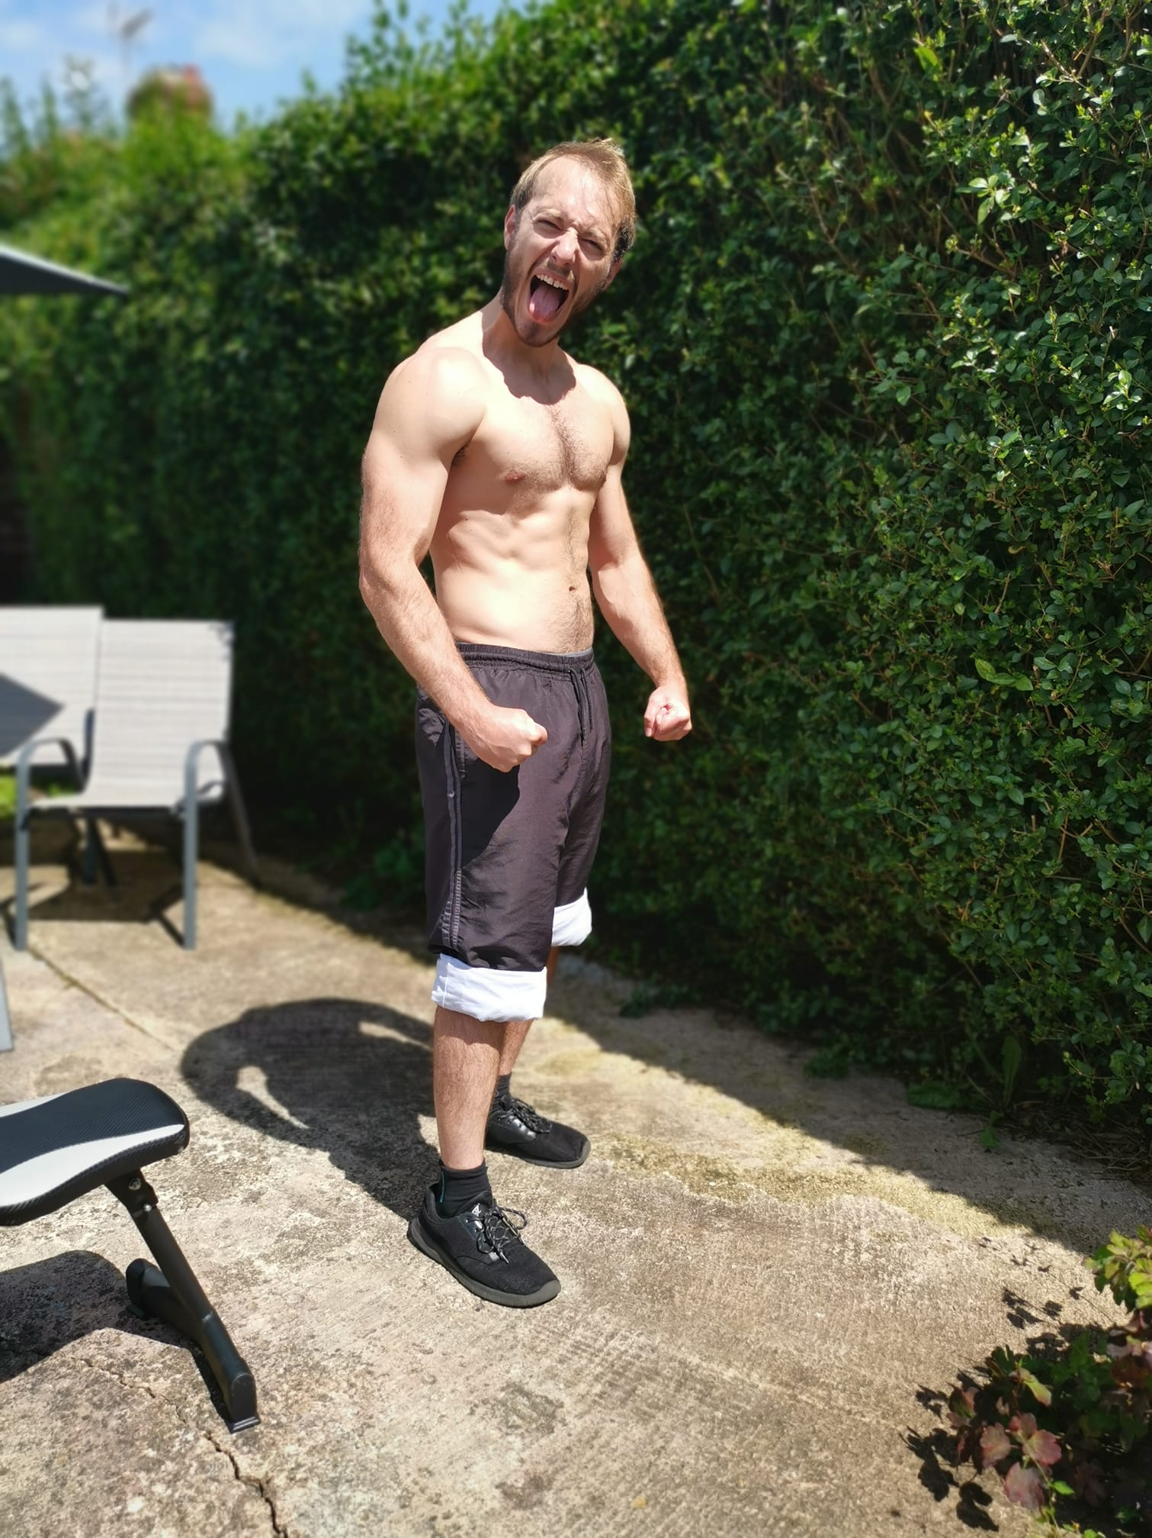
4 Day Upper/Lower Hypertrophy Programme

1) First things first - thanks for purchasing the programme - I'm excited to have you on board.

2) You'll find 6 seperate tabs down below. A phasic overview of the programme, 3 training blocks, a muscle soreness autoregulation guide, and a guide on intensity details and weekly progression
Before you get started with the programme, I really recommend reading through all of the notes and making sure that you understand how everything works.

3) If you've got any questions, or find yourself with any questions along the next 17 weeks of the programme, feel free to drop me an email
alex@characterstrength.co.uk

4) Lastly, feel free to tag me on instagram: @character_strength With any PR's or training videos, and I'll do my best to offer feedback.

Welcome to the team

Alex

